DEFIX Analysis
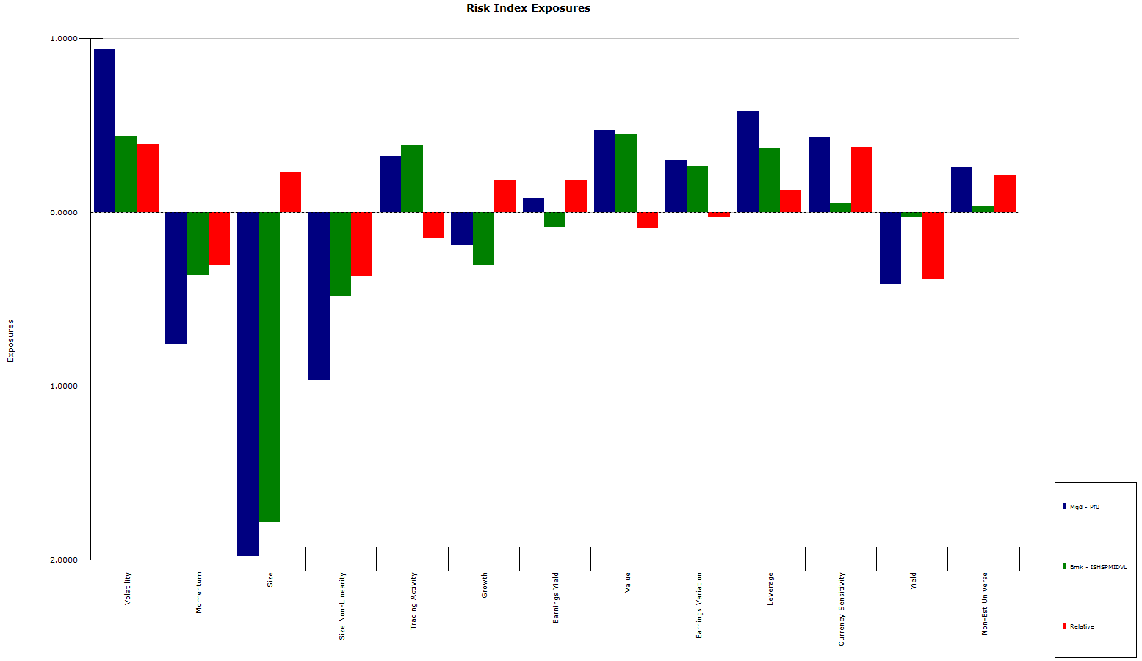
defix |  |  |  |  |  |  |  |  |  | SELL
Delafield Fund |  |  |  |  | Morningstar: 2 STAR |  |  |  |  |  | What 3 stocks would you sell?
 | $454.2 million |  | Vincent Sellecchia, John Dennis Delafield |  |  |  |  |  |  |  | Why would you sell each stock? (I need a reason for each stock)
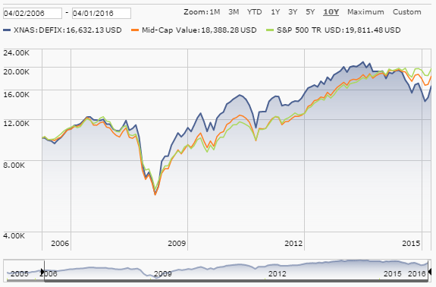
 |  |  |  |  |  |  |  |  |  |  | CNX (reasons: high secotr risk; low quant score on US Master; low valuation targets; over-exposure to energy sector)
 |  | Holder Style | Value |  |  |  |  |  |  |  | SQBG (reasons: high style risk; low quant score on Kai Lucky 11; low valuation targets)
 |  | Cap Group Style | Mid-cap |  |  |  |  |  |  |  | HON (reasons: size mismatch, i.e. mega-cap; heavy over-exposure to industrials; not really a vlaue stock; value funds + insiders have been selling)
 |  | Turnover | Low |  |  |  |  |  |  | BUY
 |  | Avg P/E Ratio | 18.64 |  |  |  |  |  |  |  | What 3 stocks would you buy?
 |  | Avg P/B Ratio | 2.39 |  |  |  |  |  |  |  | Why would you buy each stock? (I need a reason for each stock)
 |  | Avg Div Yld (%) | 1.27 |  |  |  |  |  |  |  | ORI (reasons: midcap; large insider buying; repair underweighting in financials; high quant screen on US Master; high valuation targets)
 |  | Avg Sales Growth (%) | 0.43 |  |  |  |  |  |  |  | CIM (reasons: midcap; highest quant scvore on Kai Lucky 11, resolve under-expsoure in financials; large insider buying; high valuation targets)
 |  | Price Momentum | 1.08 |  |  |  |  |  |  |  | EXPR (reasons: smallcap; resolve under-exposure in consumer discretionary; potantial to reduce over-exposure to volatility; best performing consumer discretionary stock in the US Master and 2nd best overall; most analyst have outperform/buy/hold recommendations; high valuation targets)
 |  | Relative Strength | 13.00

 |  | Beta | 1.11 |  |  |  |  |  |  | SOME THOUGHTS
 |  |  |  |  |  |  |  |  |  |  | The fund has an exceptionally high stake in cash and short-term equivalents (10%), and thereby missing investment opportunities
 |  |  |  | North America |  | 82.59 |  |  |  |  | The fund only has 90% of its assets invested in equity products, with the rest invested in fixed income products, thereby reducing the risk but also the fund's return potential
 |  | Mega (> 50B) | 2.47 | Europe |  | 2.44
 |  | Large (10B to 50B) | 11.02 | Asia |  | 4.85 |  |  |  |  | The fund only has 83% invested in the US market, with the rest invested in Europe and Asia, adding potential and unnecessary emerging markets risk to the portfolio
 |  | Mid (2B to 10B) | 45.66 | Pacific |  | NA
 |  | Small (250MM to 2B) | 26.25 | Latin America |  | NA |  |  |  |  | The fund claims to be a value fund but shows a decently high PE ratio and a relatively low dividend yield
 |  | Micro (< 250MM) | 4.48 | Middle East |  | NA |  |  |  |  | The fund claims to be a mid-cap fund, but has over 7% of its AUM invest in either micro-or large-cap stocks
 |  |  |  | Africa |  | NA |  |  |  |  | The fund has over 50% of its assets invested in 3 industries: Producer Manufacturing (19.25%), Electronic Technology (17.81%) and Process Indeutries (17.33%). This could potentially lead to some diversification issues and too much idiosyncratic risk from those industries.

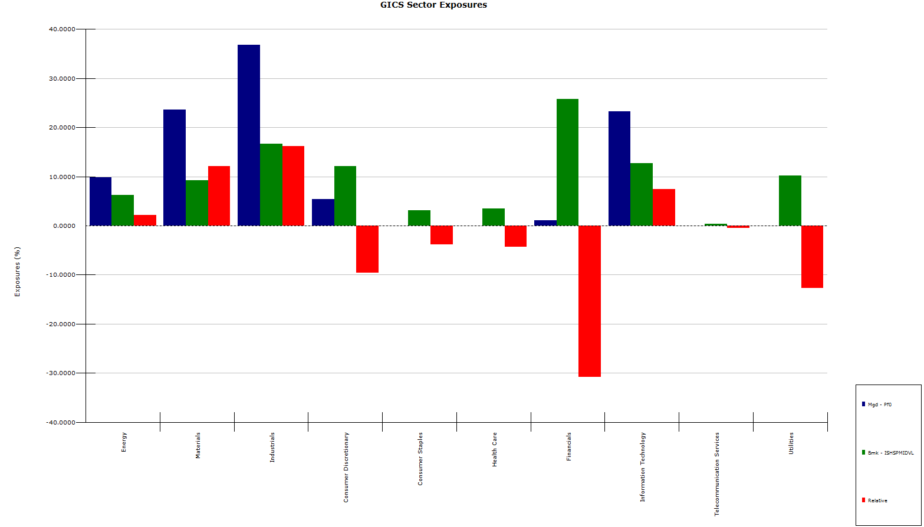
 |  |  |  |  |  |  |  | Risk (Overall Risk)
 |  |  |  |  |  |  | Most Diversified (Least Risk) | XL Cash AVY HON ALB CSL FCS SWK TKR HPQ |  |  | The fund has been significantly under-performing its benchmark over the last 1,3 and 5 years
 |  |  |  |  |  |  | Least Diversified (Most Risk) | CNX RYI KEM HSC XRM USAP ASPN MTX MDR CNXC |  |  | The fund shows an extraordinarily high active risk for an alleged value fund
 |  |  |  |  |  |  |  |  |  |  | The fund has extreme overexposure in industrials, materials and IT and a significant under-exposure in financials consumer discretionary and utilities (in which it has no position)
 |  |  |  |  |  |  |  | Risk Index Risk (Style Risk)
 |  |  |  |  |  |  | Most Diversified (Least Risk) | AVY HON CSL SWK IM XL Cash FCS TER CR |  |  | The fund also has significant over-exposure to volatility (despite its large investment in fixed income securities) and currency volatility, potentially due to emerging markets investments. Additionally it seems to invest too much in low-yeilding stocks, which appears at odds with it being a value fund
 |  |  |  |  |  |  | Least Diversified (Most Risk) | RYI KEM XRM USAP HSC SQBG CNX ASPN MDR HUN

 |  |  |  |  |  |  |  | Industry Risk (Sector Risk)
 |  |  |  |  |  |  | Most Diversified (Least Risk) | XL ASNA SQBG XRM MTZ KBR RUSHA PIR TBI HZN
 |  |  |  |  |  |  | Least Diversified (Most Risk) | Cash FI ASPN BWP CNX FCS ATI CRS OI USAP

 |  |  |  |  |  |  |  | Benchmark | Midcap
 |  |  |  |  |  |  |  | Active Risk | 6.29%
 |  |  |  |  |  |  |  | 1 year return | -11.2%
 |  |  |  |  |  |  |  | 3 year return | 0.1%
 |  |  |  |  |  |  |  | 5 year return | 2.1%

 |  |  |  |  |  |  |  | 1 year benchmark return | -3.2%
 |  |  |  |  |  |  |  | 1 year alpha return | -8.0%
 |  |  |  |  |  |  |  | Information Ratio (past year) | -1.28

